ข้อ 6-9
Data1 | 10 | 20 | 50 | 70 | 90 | 110 | 15 | 66 | 20 | 33
Data2 | 33 | 16 | 73 | 44 | 67 | 134 | 99 | 11 | 13 | 16

ข้อ 6. | Mean | 51
 | Mode | 16
 | Median | 39
 | Variance | 1755.38
 | STD | 41.90

ข้อ 7. | COV1 | = | STD1/Mean1
 |  | = | 0.7139
 | COV2 | = | STD2/Mean2
 |  | = | 0.8280

ข้อ 8. | A | = | (10-48.4)(20-48.4)(50-48.4)…(33-48.4)
 | B | = | (33-51)(16-51)(73-51)…(16-51)

$$Σ$$
 | Covariance | = | (A1*B1)(A2*B2)(A3*B3)…(A10*B10)
 |  |  | 9
 |  | = | 739.84

ข้อ 9. | STD Data1 | 34.55
 | STD Data2 | 41.90
 | COV (D1, D2) | 739.84

$$σ$$
$$σ$$
 | Correlation Co. | = | COV(D1, D2)
 |  |  | D1 * D2

 |  | = | 739.84
 |  |  | (34.55 * 41.90)

 |  | = | 0.51

ข้อ 13-15
Data | 42690.64 | 42325.34 | 64971.4 | 35967.86 | 53694.28 | 43309.04 | 36018.4 | 29007.55 | 47506.85 | 77279.74

ข้อ 13. | Mean | = | 47277.11
 | STD | = | 14545.768298

ข้อ 14. | T-Score(9, 0.05) |  | = | 1.833113
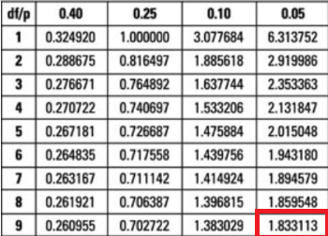

ข้อ 15.

 | 90% CI | = | 47277.11 - t(9, 0.05) * 14545.77 / sqr(10) < U < 47277.11 + t(9, 0.05) * 14545.77 / sqr(10)
 | Min | = | 38845.201158
 | Max | = | 55709.018842

 | 95% CI | = | 47277.11 - t(9, 0.025) * 14545.77 / sqr(10) < U < 47277.11 + t(9, 0.25) * 14545.77 / sqr(10)
 | Min | = | 46071.232773
 | Max | = | 48482.987227

ข้อ 16-18
Data | 81469 | 87531.77 | 75745.76 | 84907.66 | 91575.27 | 91222.62 | 80216.58 | 93699.6 | 95481.35 | 95482.59

ข้อ 16. | Mean | = | 87733.22 |  |  |  |  |  |  |  | ข้อ 18.
 | STD | = | 7900
 | Variance | = | 43008510.253

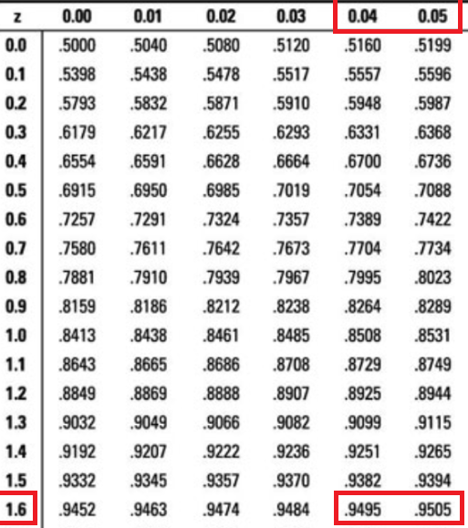
ข้อ 17. | Z 90% | = | 1.645
 |  |  |  |  |  |  |  |  |  |  |  | 90% CI | = | 87733.22 - 1.645 * 7900 / sqr(10) < U < 87733.22 + 1.645 * 7900 / sqr(10)
 |  |  |  |  |  |  |  |  |  |  |  | Min | = | 83623.682067
 |  |  |  |  |  |  |  |  |  |  |  | Max | = | 91842.757933

 |  |  |  |  |  |  |  |  |  |  |  | 95% CI | = | 87733.22 - 1.96 * 7900 / sqr(10) < U < 87733.22 + 1.96 * 7900 / sqr(10)
 |  |  |  |  |  |  |  |  |  |  |  | Min | = | 82836.749271
 |  |  |  |  |  |  |  |  |  |  |  | Max | = | 92629.690729

